node
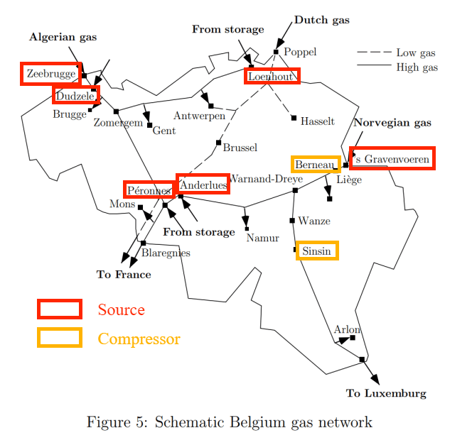
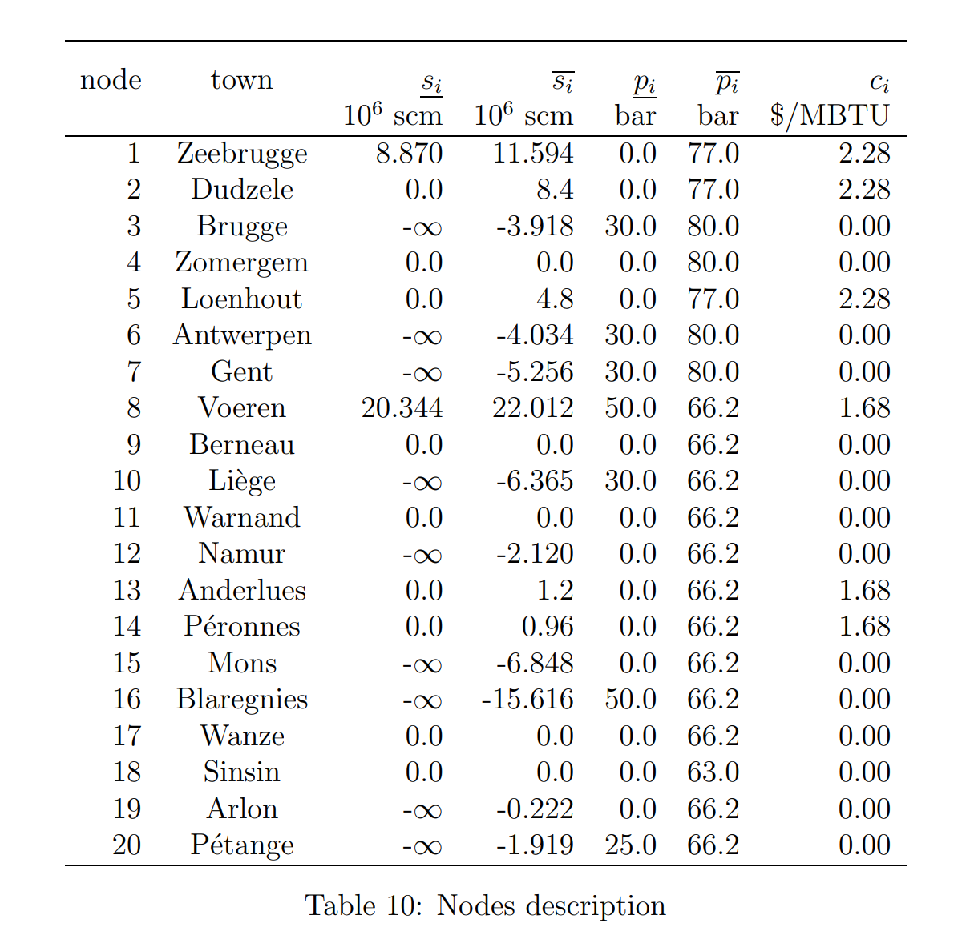
node | type（1-source, 2-load, 3-compressor） | Load (m^3) | Max Pres(Pa) | Min Pres(Pa) | Pres (Pa)
1 | 1 | / | 7000000 | 5500000 | 6038656.2378
2 | 1 | / | 7000000 | 5500000 | /
3 | 2 | 31.490740741 | 7000000 | 5500000 | /
4 | 2 | / | 7000000 | 5500000 | /
5 | 1 | / | 7000000 | 5500000 | 6094749.3218
6 | 2 | / | 7000000 | 5500000 | /
7 | 2 | 42.24537037 | 7000000 | 5500000 | /
8 | 1 | / | 7000000 | 5500000 | 6070009
9 | 3 | / | 7000000 | 5500000 | /
10 | 2 | 51.157407407 | 7000000 | 5500000 | /
11 | 2 | / | 7000000 | 5500000 | /
12 | 2 | 17.037037037 | 7000000 | 5500000 | /
13 | 1 | / | 7000000 | 5500000 | 6036052.3574
14 | 1 | / | 7000000 | 5500000 | /
15 | 2 | / | 7000000 | 5500000 | /
16 | 2 | / | 7000000 | 5500000 | /
17 | 2 | / | 7000000 | 5500000 | /
18 | 3 | / | 7000000 | 5500000 | /
19 | 2 | 1.7824074074 | 7000000 | 5500000 | /
20 | 2 | 11.574074074 | 7000000 | 5500000 | /

